Table of contents
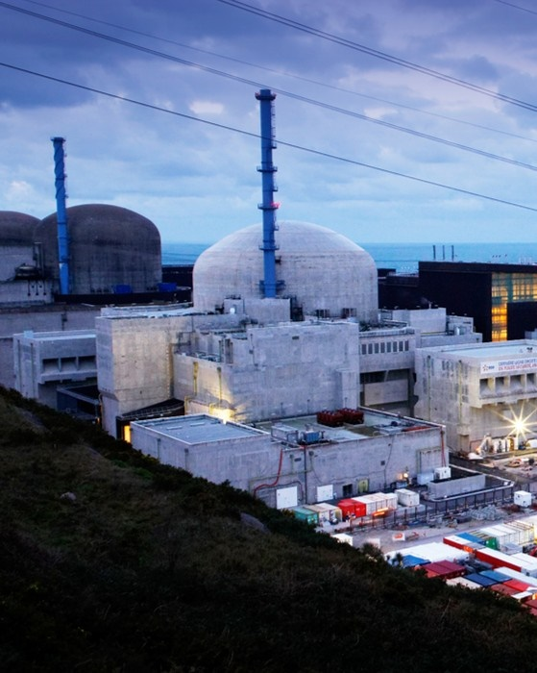 

OPERATIONAL DATA PACK 2025

1. Group installed capacity
2. EDF Nuclear fleet

3. Group Renewable installed capacity

4. Power Plants List and net capacity consolidated
5. Group output

6. Group CO₂ emissions

Glossary & Methodology
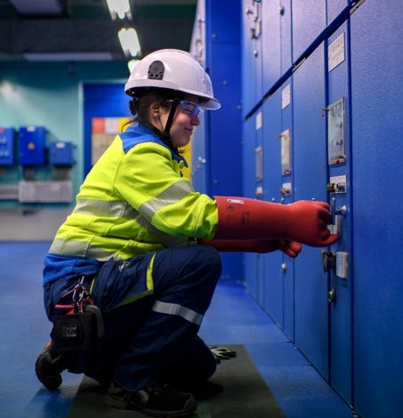

This presentation is for information purposes only and does not constitute an offer or solicitation to sell or buy instruments, part of the company or the assets described here, in the US or any other country.
This presentation contains forward-looking statements or information. While EDF believes that the expectations reflected in these forward-looking statements are based on reasonable assumptions at the time they were made, these assumptions are fundamentally uncertain and imply a certain amount of risk and uncertainty which is beyond the control of EDF. As a result, EDF cannot guarantee that these assumptions will materialise. Future events and actual financial and other outcomes may differ materially from the assumptions used in these forward-looking statements, including, and not limited to, potential timing differences and the completion of transactions described therein.
Risks and uncertainties (notably linked to the economic, financial, competition, regulatory and climate backdrop) may include changes in economic and business trends, regulations, as well as those described or identified in the publicly-available documents filed by EDF with the French financial markets authority (AMF), including those presented in Section 2.2 “Risks to which the Group is exposed” of the EDF Universal Registration Document (URD) filed with the AMF on 27 March 2025 (under number D.25-0183), which may be consulted on the AMF website at www.amf-france.org or on the EDF website at www.edf.fr and the activity report at 31 December 2024, available online on the EDF website.
EDF and its affiliates do not undertake nor do have any obligation to update forward-looking information contained in this presentation to reflect any unexpected events or circumstances arising after the date of this presentation.
Disclaimer

1.Group installed capacity
EDF group installed electricity capacity at 31 December 2025

Net installed electricity capacity
Fully consolidated electricity capacity
18%
15%
8%
2%
2%
Group Total
126,0GW
55%
87% decarbonised
Group Total
119,8GW
2%
1%
57%
18%
13%
9%
88% decarbonised
Nuclear
Gas
Renewables, excl. hydro
Hydro
Fuel oil
Coal
Net installed electricity capacity (according to the participation in the subsidiaries, including participations in associates and joint ventures)

In MWe | Total | Nuclear(3) | Hydropower(4) | Renewables (excl. hydro)(5) | Gas | Fuel oil | Coal
France - Generation and supply activities | 88,918 | 62,970 | 20,354 | 649 | 2,515 | 1,270 | 1,160
France - Regulated activities(1) | 2,064 | - | 463 | 229 | - | 1,354 | 18
EDF power solutions | 18,738 | 145 | 419 | 16,304 | 1,799 | 70 | -
Dalkia(2) | 1,286 | - | - | 234 | 843 | 198 | 12
United Kingdom | 5,025 | 4,706 | - | 318 | - | - | -
Italy | 7,012 | - | 1,070 | 801 | 5,134 | 7 | -
Others | 2,989 | 1,050 | 432 | 86 | - | - | 1,421
Group total | 126,032 | 68,872 | 22,739 | 18,621 | 10,291 | 2,899 | 2,610

Fully consolidated electricity capacity

In MWe | Total | Nuclear(3) | Hydropower(4) | Renewables (excl. hydro)(5) | Gas | Fuel oil | Coal
France - Generation and supply activities | 88,073 | 62,970 | 20,115 | 43 | 2,515 | 1,270 | 1,160
France - Regulated activities(1) | 1,973 | - | 439 | 223 | - | 1,312 | -
EDF power solutions | 14,856 | 212 | 68 | 12,699 | 1,877 | - | -
Dalkia(2) | 1,287 | - | - | 234 | 844 | 198 | 12
United Kingdom | 5,883 | 5,883 | - | - | - | - | -
Italy | 7,712 | - | 902 | 1,520 | 5,283 | 7 | -
Others | 35 | - | - | 35 | - | - | -
Group total | 119,819 | 69,065 | 21,524 | 14,754 | 10,519 | 2,787 | 1,172

(1) Regulated activities: Enedis, ÉS and island activities; Enedis, an independant EDF subsidiary as defined in the French energy code.
(2) Plants installed by Dalkia are mainly owned by the company, the corresponding capacities are consolidated using the equity method.
(3) This capacity includes Flamanville 3 for 1,600MW.
(4) Including small hydropower in France and assets in DROM and COM. Tidal energy included in the hydropower: 0.24GW.
(5) Wind, solar, biomass and geothermal

2.EDF Nuclear fleet
EDF group nuclear fleet at 31 December 2025

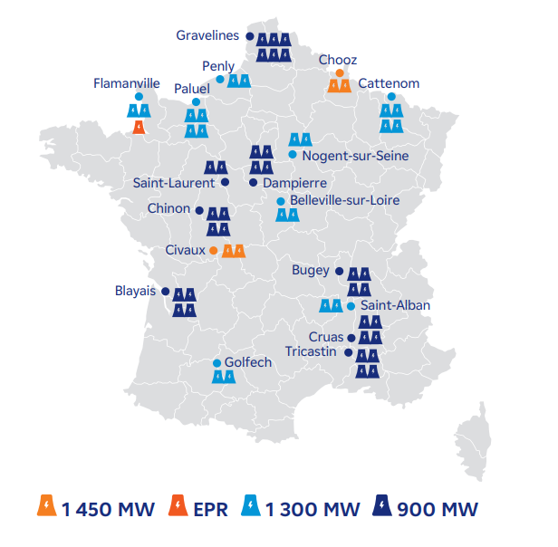
Nuclear fleet in France
Type / Power | Plant | Power (in MW) | Number of reactors
900MW | Gravelines |  | 6
 | Saint-Laurent |  | 2
 | Dampierre |  | 4
 | Chinon |  | 4
 | Blayais |  | 4
 | Bugey |  | 4
 | Cruas |  | 4
 | Tricastin |  | 4
 | Total | 29,010 | 32
1300MW | Penly |  | 2
 | Paluel |  | 4
 | Flamanville |  | 2
 | Nogent-sur-Seine |  | 2
 | Cattenom |  | 4
 | Saint-Alban |  | 2
 | Golfech |  | 2
 | Belleville-sur-Loire |  | 2
 | Total | 26,370 | 20
1450MW | Chooz |  | 2
 | Civaux |  | 2
 | Total | 5,990 | 4
EPR(3) | Flamanville 3 connected to the grid |  | 1
 | Total | 1,600 | 1
 | Total France incl. Flamanville 3 | 62,970 | 57

Torness
Hartlepool
Heysham 1 & 2
Sizewell B
Nuclear fleet in the United Kingdom
Type | Plant | Power (in MW) | Number of reactors
AGR (1) | Torness | 1,200 | 2
 | Hartlepool | 1,185 | 2
 | Heysham | 2,300 | 4
 | Total | 4,685 | 8
PWR (2) | Sizewell B | 1,198 | 1
 | Total | 1,198 | 1
 | Total UK | 5,883 | 9

Advanced Gas-cooled Reactor (AGR)
Pressurised Water Reactor (PWR)
Nuclear fleet in Belgium
Type | Plant | Power (in MW)(4) | Number of reactors
PWR (3) | Tihange 3 | 73 | 1
 | Doel 4 | 73 | 1
 | Total Belgium | 145 | 2

New nuclear projects
Type | Plant | Power (in MW) | Number of reactors
EPR (3) | Hinkley Point C in construction (UK) | 3,260 | 2
 | Sizewell C (UK) | 3,260 | 2
 | EPR2 (France) | 9,600 | 6
 | Total | 16,120 | 10

(1) Advanced Gas-cooled Reactor.
(2) Pressurised Water Reactor.
(3) European Pressurised Reactor.
(4) Capacity attributed to EDF according to its ownership in Luminus (68.63% of 10.2% in Tihange 3 and Doel 4)

5.Group output
EDF group electricity output in 2025

Fully consolidated electricity output
Group Total
515,5TWh
5%
6%
9%
80%
1%
95% of decarbonised generation
Nuclear
Gas
Renewables, excl. hydro
Hydro
Fuel oil
Coal

In GWh | Total | Nuclear | Hydropower(2) | Renewables (excl. hydro)(3) | Gas | Fuel oil | Coal
France - Generation and supply activities | 418,804 | 373,028 | 42,600 | 37 | 2,708 | 241 | 191
France - Regulated activities(1) | 5,752 | - | 1,068 | 1,266 | - | 3,417 | -
EDF power solutions | 32,833 | 4,175 | 181 | 27,219 | 1,258 | 0 | -
Dalkia | 2,644 | - | - | 1,030 | 1,521 | 93 | -
United Kingdom | 32,918 | 32,918 | - | - | - | - | -
Italy | 22,314 | - | 2,541 | 2,010 | 17,749 | 13 | -
Other international(4) | 206 | - | - | 206 | - | - | -
Group total | 515,469 | 410,120 | 46,390 | 31,769 | 23,236 | 3,764 | 191
 |  | 80% | 9% | 6% | 5% | 1% | 0%

(1) Power generation in non-interconnected zones (mainly island territories) and Electricité de Strasbourg (ES).
(2) The hydropower output takes into account the tidal energy (532GWh). Hydro output after deductions of pumped volumes is 37.9TWh in 2025.
(3) Wind, solar, biogas and biomass.

6.Group CO2 emissions
EDF group CO2 emissions(1)

Emissions from heat and power generation by segment (in ktCO2) |  |  | Carbon intensity from heat and power generation by segment (in gCO2/kWh)
 | 2024 | 2025 |  | 2024 | 2025
France - Generation and supply activities | 1,315 | 1,518 | France - Generation and supply activities | 3 | 4
France – Non-interconnected zones(2) | 2,792 | 2,458 | France – Non-interconnected zones(2) | 453 | 418
Dalkia | 3,188 | 2,712 | Dalkia | 135 | 115
United Kingdom | 0 | 0 | United Kingdom | 0 | 0
Italy | 6,053 | 7,033 | Italy | 262 | 283
Belgium | 436 | 329 | Belgium | 55 | 50
Others | 2,311 | 218 | Others | 54 | 6
Group Total(3) | 16,096 | 14,268 | Group Total(3) | 30 | 26.5

EDF group ambitions in CO2 emission reduction
Target: net zero CO2 emissions by 2050(4)

Carbon intensity (in gCO₂/kWh)
Scope 1 emissions (in mtCO₂)
CO₂ emissions avoided by the customers (in mtCO₂)

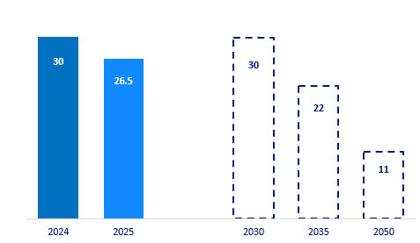
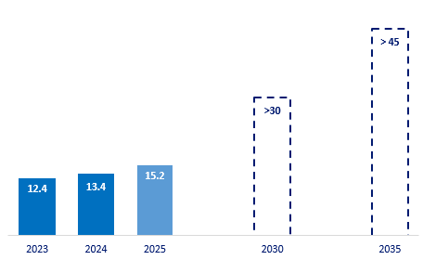
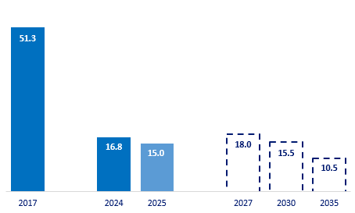

(1) Direct CO2 emissions, excluding life cycle analysis (LCA) of fuel and production means
(2) Power generation in non-interconnected zones corresponding to overseas departments and Corsica - (mainly island territories) and Electricité de Strasbourg (ES).
(3) Framatome and Arabelle Solutions contribute 40ktCO2 in 2025 and 33ktCO2 in 2024. EDF power solution, excluding Luminus, contributes to 178ktCO2 in 2025 and 2,278ktCO2 in 2024. The direct CO2 emissions from “Others” segment are not significant compared to Group total emissions and are not disclosed in this table.
(4) For the 3 scopes
(5) Vs 2017.

